Sheet1
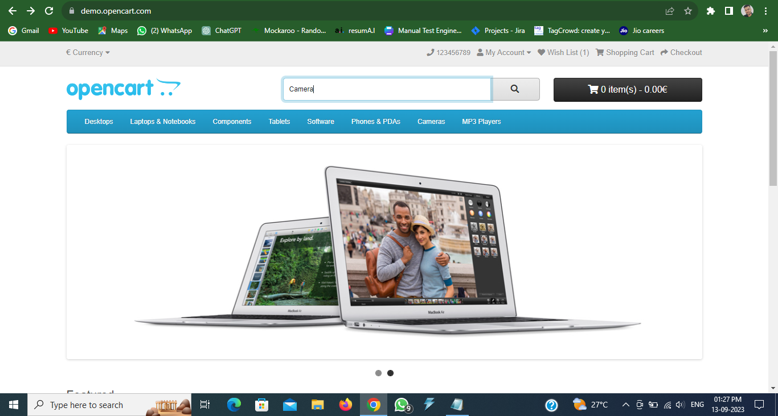
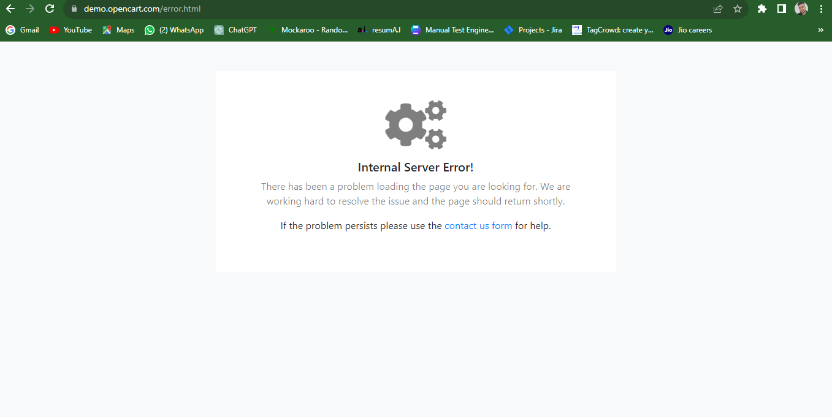
Defect / Bug reporting

1 | Tester Name: | Pawan Mankar
2 | Project Name : | demo.opencart.com
3 | Bug ID : | 1
4 | Bug Name : | When user enter valid product name in search box then Server error message is appear
5 | Bug Descrpitions : | When user enter valid product name in search box related information should appear on screen but server error message appear
6 | Step To Reproduce : | 1: Locate the search bar.
 |  | 2: Click on Search button
 |  | 3: Click on Search button
7 | Test Case Id : | TC 7 (Product search Functionality)
8 | Devloper Lead Name : | XYZ
9 | Devloper Lead Eamil ID : | XYZ@gmail.com
10 | Status Of Bug : | New
11 | Reproduciabilty : | Always
12 | Severity : | Major
13 | Priority : | High
14 | ScreenShot : | Below

